HOME
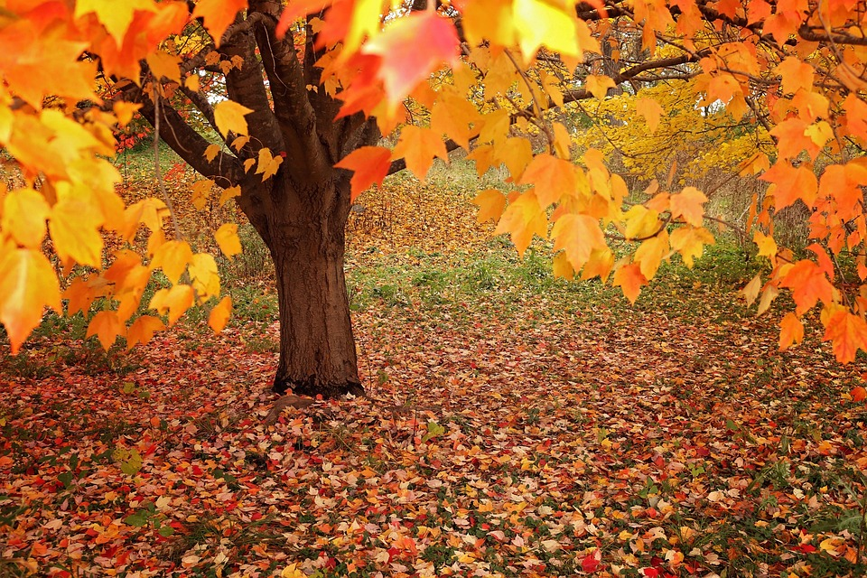
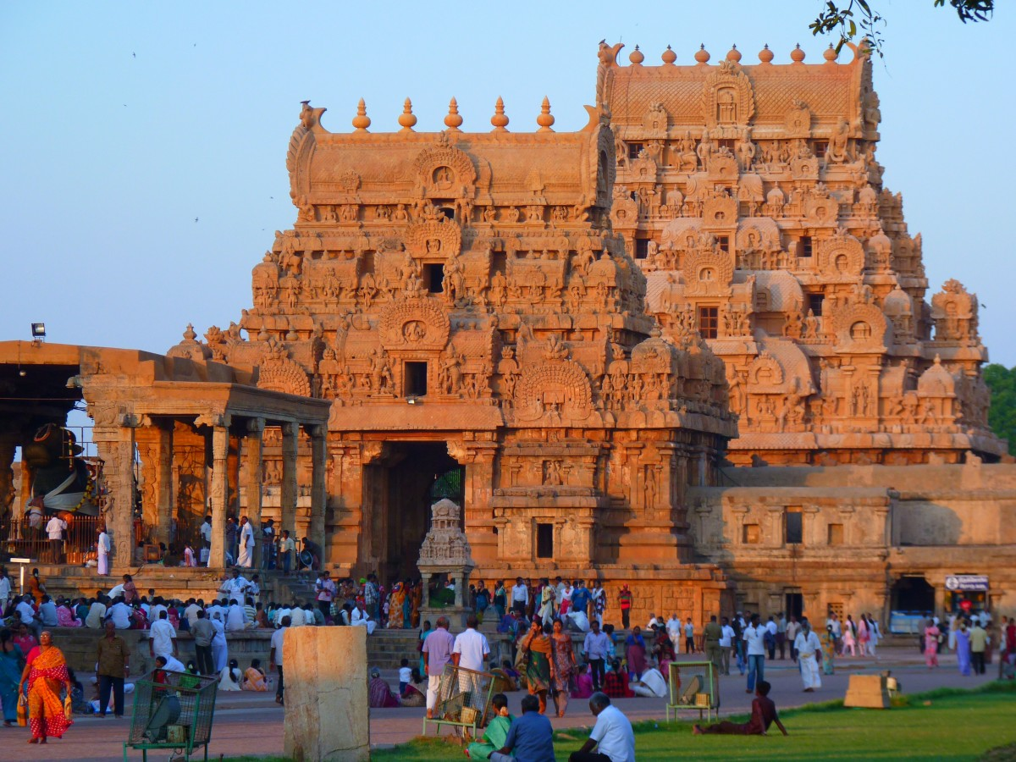
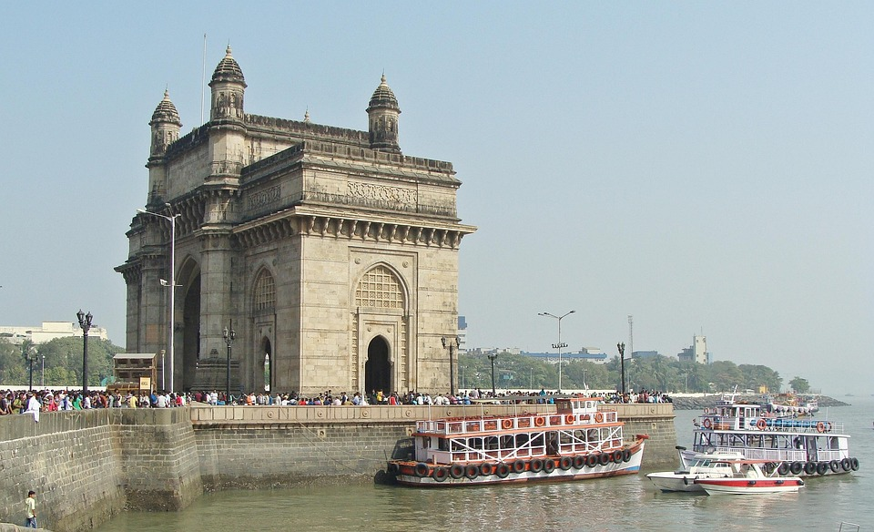
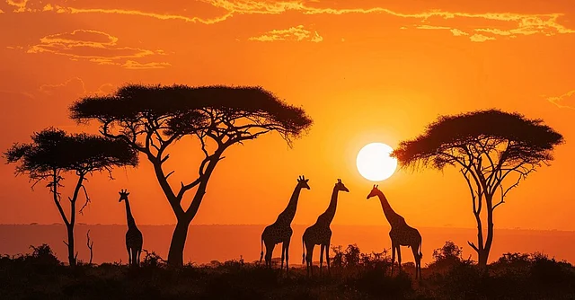

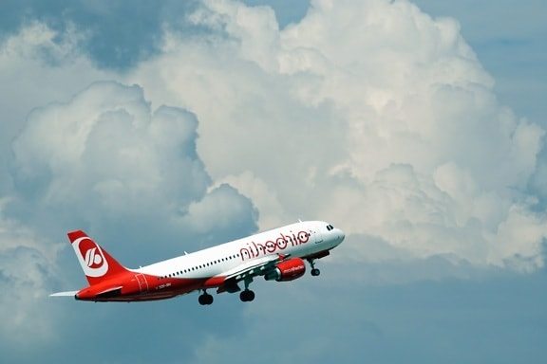
SEASON TO SEASON TRAVEL FLOW ACTIVATED

INTRO
INTRODUCTION
CHARTS
SUMMARY
KPI
Introduction

Seasonal travel shows how weather changes, festival periods, and peak/off-peak cycles influence where and when people travel. It helps identify demand patterns across different seasons, making planning, pricing, and destination choices more accurate and effective.

Main Feild Name:
Season
Travel Type
Destination
Travel Date
Price / Cost

KEY PERFORMACE INDICATOR
Key Performance Indictor

INTRODUCTION

KPI
KPI 1 - Total Trips
KPI 2 - Confirmed Trips
KPI 3 - Cancelled Trips
KPI 4 - Rating
KPI 5 - Total Trip Cost
KPI 6 - Re-Booked

CHARTS

SUMMARY

CHARTS
INTRODUCTION
CHARTS
SUMMARY
KPI
Chart

Chart 1 – Destination Trip Count Shows -Column Chart
Which destinations people prefer Chart 2 – Booking Status Overview- Doughnut Chart
Displays booking success versus pending
Chart 3 – Travel Mode Usage- bar chart
Reveals most used travel modes
Chart 4 – State Wise Average Rating-Line Chart
Tracks rating trends across states
Chart 5 – State Wise Trip Count (Map)-Map Chart
Highlights travel volume by state
Chart 6 – City Count & Overall Cost-Double Doughnut
Compares city trips with costs

SUMMARY
SEASONAL TRAVEL DASHBOARD


Total Trip Cost
54M
Re-booked
969

Confirmed Trips
Cancelled Trips
Avg Rating
Total Trips
649
654
3.0
2000

Destination Trip Count
 | Total
Cancelled | 32.70%
Confirmed | 32.45%
Pending | 34.85%
Booking Status Overview

 | Total
Himachal Pradesh | 437
Goa | 396
Ladakh | 393
Kerala | 390
Tamil Nadu | 384

Travel Mode Usage
State Wise Average Rating

 | Total
Bus | 509
Car | 490
Flight | 502
Train | 499
 | Total
Goa | 3.09
Himachal Pradesh | 3.05
Kerala | 2.98
Ladakh | 3.00
Tamil Nadu | 3.06

Overall state Wise Trip Count
City Wise Count and Overall Cost

Kochi | 390 | 10.54M
Leh | 393 | 10.22M
Ooty | 384 | 9.97M
Panaji | 396 | 11.09M
Shimla | 437 | 12.05M

PIVOT ANALZYE
Row Labels | Count of Travel_ID
Himachal Pradesh | 437
Goa | 396 |  |  |  |  | Himachal Pradesh | 437
Ladakh | 393 |  |  |  |  | Goa | 396
Kerala | 390 |  |  |  |  | Ladakh | 393
Tamil Nadu | 384 |  |  |  |  | Kerala | 390
Grand Total | 2000 |  |  |  |  | Tamil Nadu | 384

Row Labels | Count of Travel_ID
Cancelled | 32.70%
Confirmed | 32.45%
Pending | 34.85%
Grand Total | 100.00%

 | North | South
Goa |  | 396
Himachal Pradesh | 437
Kerala |  | 390
Ladakh | 393
Tamil Nadu |  | 384
Count of Travel_ID | Column Labels
Row Labels | North | South | Grand Total
Goa |  | 396 | 396
Himachal Pradesh | 437 |  | 437
Kerala |  | 390 | 390
Ladakh | 393 |  | 393
Tamil Nadu |  | 384 | 384
Grand Total | 830 | 1170 | 2000

Row Labels | Count of Travel_ID
Bus | 509
Car | 490
Flight | 502
Train | 499
Grand Total | 2000

Row Labels | Average of Rating
Goa | 3.09
Himachal Pradesh | 3.05
Kerala | 2.98
Ladakh | 3.00
Tamil Nadu | 3.06
Grand Total | 3.03685

Count of Travel_ID | Average of Rating | Sum of Trip_Cost |  | Total Trips | 2000
2000 | 3.03685 | 53872381.1 |  | Confirmed Trips | 649
 |  |  |  | Cancelled Trips | 654
Row Labels | Count of Travel_ID |  |  | Avg Rating | 3.0
Cancelled | 654 |  |  | Total Trip Cost | 54M
Confirmed | 649 |  |  | Re-booked | 969
Pending | 697
Grand Total | 2000

Row Labels | Count of Travel_ID
No | 969
Yes | 1031
Grand Total | 2000

Row Labels | Count of Travel_ID | Sum of Trip_Cost
Kochi | 390 | 10544488.64 |  | Kochi | 390 | 10.54M
Leh | 393 | 10216575.84 |  | Leh | 393 | 10.22M
Ooty | 384 | 9967191.88 |  | Ooty | 384 | 9.97M
Panaji | 396 | 11090124.06 |  | Panaji | 396 | 11.09M
Shimla | 437 | 12054000.68 |  | Shimla | 437 | 12.05M
Grand Total | 2000 | 53872381.1

